Map of Assignment
 |  |  | Vertices of cube

 |  |  | Rotation Matrix

 |  |  | Image after Rotation

 |  |  | Scale Matrix |  | Single Matrix of transformations

 |  |  | Image after Scale

 |  |  | Translation Matrix

 |  |  | Image after translation | = | Image after transformations

 |  |  | Viewing Matrix |  |  | Single Matrix for everything

 |  |  | Image after Viewing Matrix

Projection by hand i.e. division |  |  | Projection matrix

Final Image |  | = | Final Image | Should be equal (ish) :-) |  | Final Image
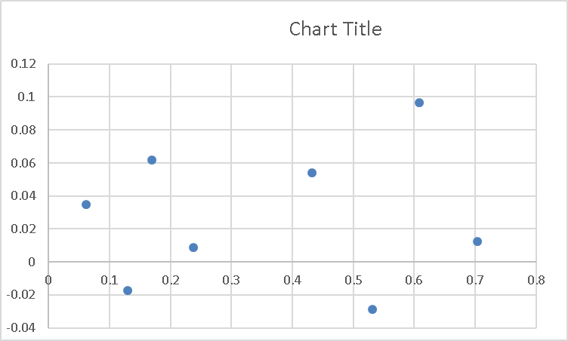

 |  |  | Final Image on graph paper, or excell chart

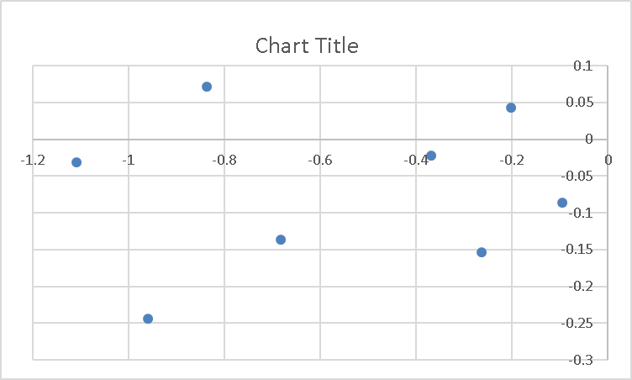
 | Comment: The differences are caused by the aspect ratio

Sheet3
0.9881902 | -0.05460109 | 0.1431696 | 0
0.1431696 | -0.6619635 | -0.7357356 | 0
-0.05460109 | 0.7475447 | 0.6619635 | 0
0 | 0 | 0 | 1

1.076759 | 0.06939754 | 1.354907
-0.8996224 | -0.2169417 | 1.464109
-0.7904202 | -1.540869 | -0.03098009
1.185962 | -1.254529 | -0.1401823
0.7904202 | 1.540869 | 0.03098009
-1.185962 | 1.2554529 | 0.1401823
-1.076759 | -0.06939754 | -1.354907
0.8996224 | 0.2169417 | -1.464109

15 | 0 | 0 | 0
0 | 4 | 0 | 0
0 | 0 | 2 | 0 | 0 | 1 | 1 | 1
0 | 0 | 0 | 1 | 1 | 1 | 1 | -1
 |  |  |  | 2 | -1 | -1 | 1
16.15139 | 0.2775902 | 2.709814 |  | 3 | 1 | -1 | 1
-13.49434 | -0.8677667 | 2.928219 |  | 4 | 1 | 1 | -1
-11.8563 | -6.163475 | -0.06196018 |  | 5 | -1 | 1 | -1
17.78942 | -5.018118 | -0.2803645 |  | 6 | -1 | -1 | -1
11.8563 | 6.163475 | 0.06196018 |  | 7 | 1 | -1 | -1
-17.78942 | 5.018118 | 0.2803645
-16.15139 | -0.2775902 | -2.709814
13.49434 | 0.8677667 | -2.98219

1 | 0 | 0 | 4
0 | 1 | 0 | 4
0 | 0 | 1 | 3
0 | 0 | 0 | 1

20.15139 | 4.27759 | 5.709814
-9.494336 | 3.132233 | 5.928219
-7.856302 | -2.163475 | 2.93804
21.78942 | -1018118 | 2.719635
15.8563 | 10.16348 | 3.06196
-13.78942 | 9.018118 | 3.280365
-12.15139 | 3.72241 | 0.2901857
17.49434 | 4.867767 | 0.0717814

14.82286 | -0.8190164 | 2.147544 | 4
0.5726784 | 2.647854 | -2.942942 | 4
-0.1092022 | 1.495089 | 1.323927 | 3
0 | 0 | 0 | 1

0.5307895 | -0.8400642 | 0.1120476 | -17
0 | 0.1322091 | 0.9912218 | -5
-0.8475037 | -0.5261301 | 0.07017517 | -52
0 | 0 | 0 | 1

-9.257352 | 1.225229 | -70.92826 |  | 0.13051711687 | -0.017274200721
-24.00653 | 1.29029 | -45.18546 |  | 0.5312888261 | -0.028555424687
-19.02338 | -2.373782 | -43.99731 |  | 0.43237597935 | 0.053952889393
-4.274389 | -2.438842 | -69.7401 |  | 0.061290261987 | 0.034970440249
-16.77853 | -0.6212146 | -70.57071 |  | 0.23775487026 | 0.0088027256634
-31.52752 | -0.5561541 | -44.82792 |  | 0.7033009785 | 0.012406422158
-26.54438 | -4.220225 | -43.63976 |  | 0.60826136532 | 0.096705962636
-11.79538 | -4.285286 | -69.38255 |  | 0.17000499405 | 0.061763166675

Viewiing Matrix
1.50883 | 0 | 0 | 0
0 | 2.414213 | 0 | 0
0 | 0 | -1.002002 | -2.002002
0 | 0 | -1 | 0

Image after viewing
-13.96854 | 2.957964 | 69.06826 |  | -0.20224253514 | 0.042826676103
-36.22305 | 3.115035 | 43.27392 |  | -0.83706421789 | 0.071984118841
-28.70407 | -5.730815 | 42.08339 |  | -0.68207599245 | -0.13617759881
-6.449554 | -5.887886 | 67.87772 |  | -0.095017245718 | -0.086742542325
-25.31684 | -1.499745 | 68.70999 |  | -0.36845937541 | -0.02182717535
-47.57135 | -1.342675 | 42.91566 |  | -1.1084846417 | -0.031286364931
-40.05237 | -10.18852 | 41.72512 |  | -0.95991024112 | -0.24418192207
-17.79786 | -10.34559 | 67.51945 |  | -0.26359604529 | -0.15322384883
Final Matrix
11.12726 | -3.759491 | 5.674152 | -27.01045
-0.0785351 | 4.422925 | 2.228854 | -3.61528
12.89717 | 0.5952677 | 0.1791319 | 55.39669
12.8714 | 0.5940783 | 0.1787741 | 57.28401

